A6
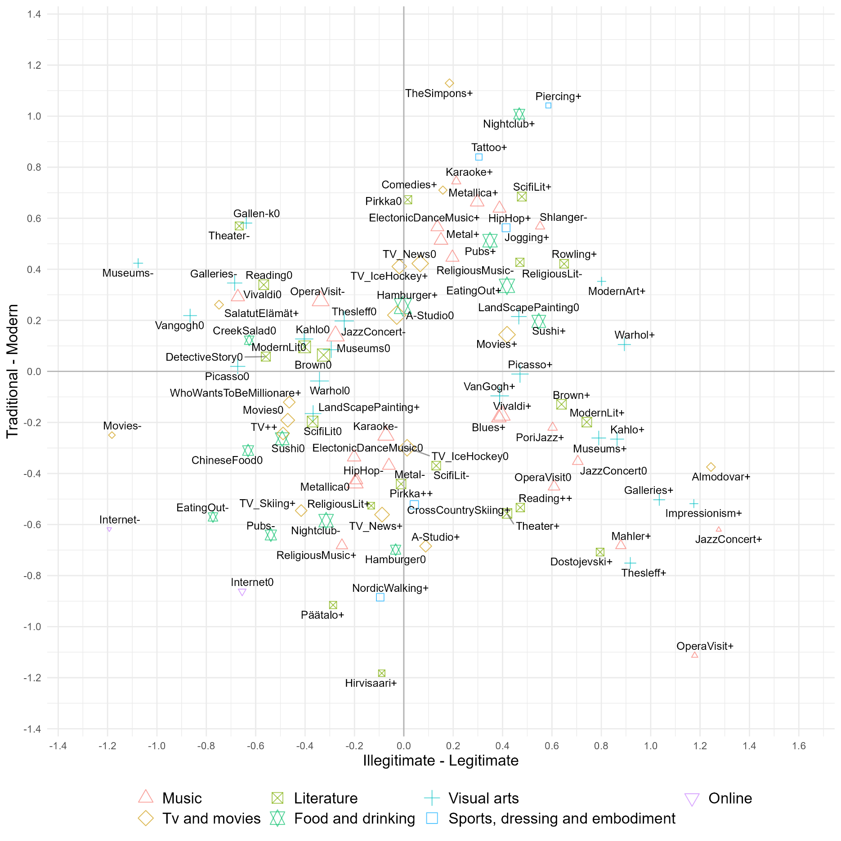

Appendix Figure A6. The space of lifestyles in Finland 2018. Point size corresponds to the number of respondents who have chosen the modality. Only items with higher than mean contribution in either axis are shown.

